Sheet2
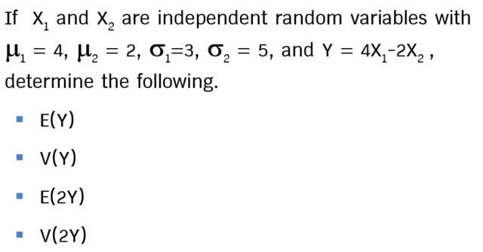

E(Y) =
V(Y) =
E(2Y) =
V(2Y) =

